Sheet1
1. Overview
- This program is designed to be a comprehensive trading portal that provides access to trading functionality, stock info, news articles and notifications
- Whilst initially designed for single users only, the program will eventually be revamped to accommodate multiple users in the future.

2. Components
- The program consists of the following components:

 | 1). Stock visualizer
 | - Provides real-time or near real-time updates on stock prices and will include standard visuals associated with stock trading
 | - Will provide updates on the latest news for selected stocks as shown below

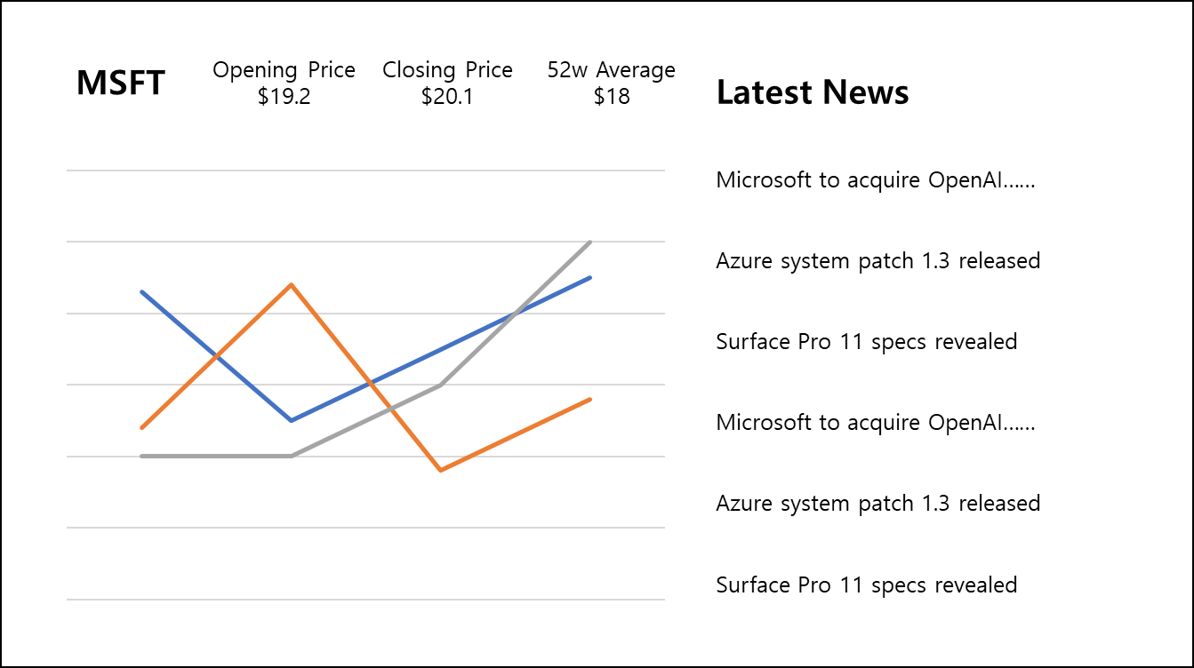

 | 2). Database interface
 | - Provides access to gathered news articles and summaries based on user inputs
 | - Will also return article summaries if requested

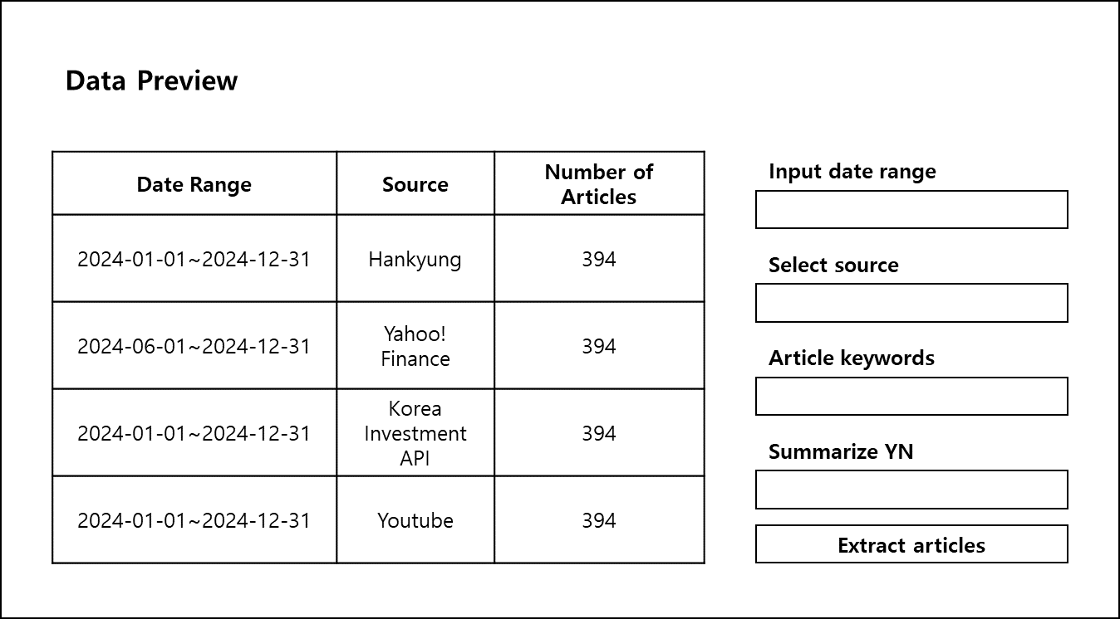

 | 3). Stock data downloader

